Wheels
 |  |  | S = Standard Equipment A = Available -- (dashes) = Not Available D = ADI Available ■ = Included in Equipment Group □ = Included in Equipment Group but upgradeable * = Indicates availability of feature on multiple models.
 |  |  | 1: Available on 1NR26 AWD. 2: Available on 1NS26 AWD.
Orderable RPO Code | Ref. Only RPO Code | Wheels | Description | LT 2LT1 | True North 3LT1 | RS 1RS2
 | RV3 | 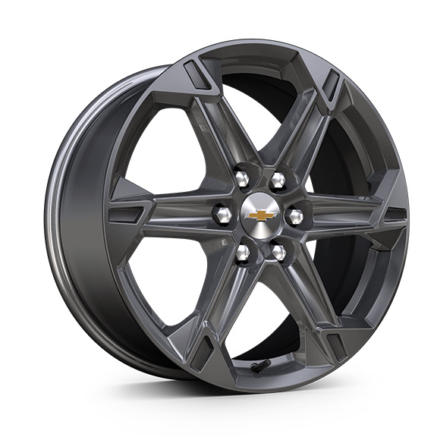 | Wheels, 18" (45.7 cm) Grazen Metallic aluminum | S | S | --
 | Q75 | 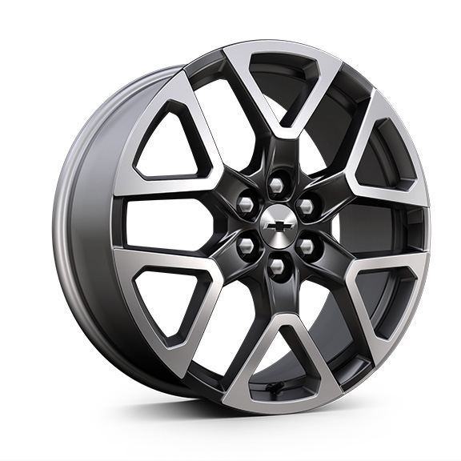 | Wheels, 20" (50.8 cm) Technical Grey aluminum | -- | -- | S
QH4 |  | 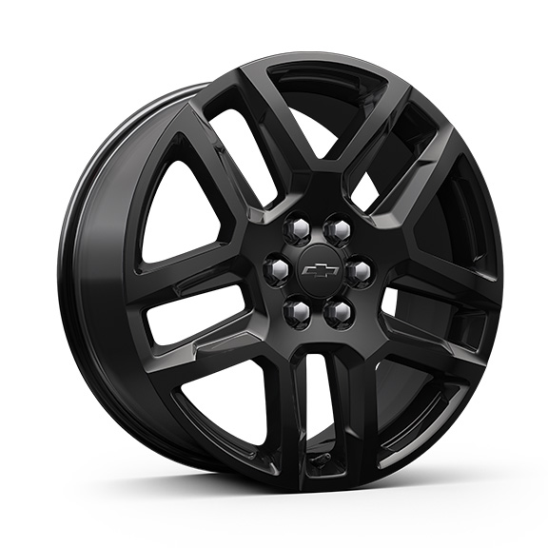 | Wheels, 20" (50.8 cm) Gloss Black aluminum | A | A | A
 | WQN | 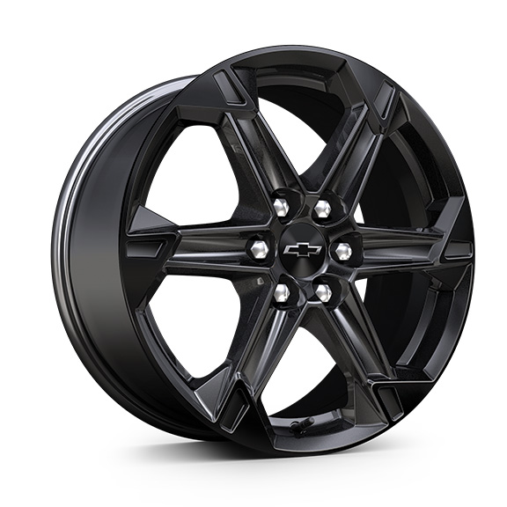 | Wheels, 18" (45.7 cm) High Gloss Black painted aluminum 1. Included and only available with (WJU) Midnight/Sport Edition. | A1 | A1 | --
RUG |  | 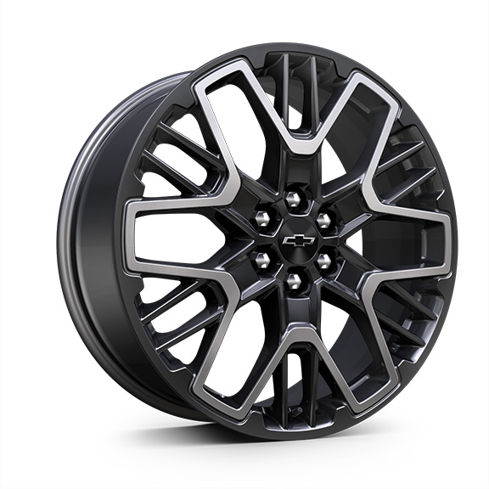 | Wheels, 21" (53.3 cm) High Gloss Black with machined face | -- | -- | A
S1S |  | 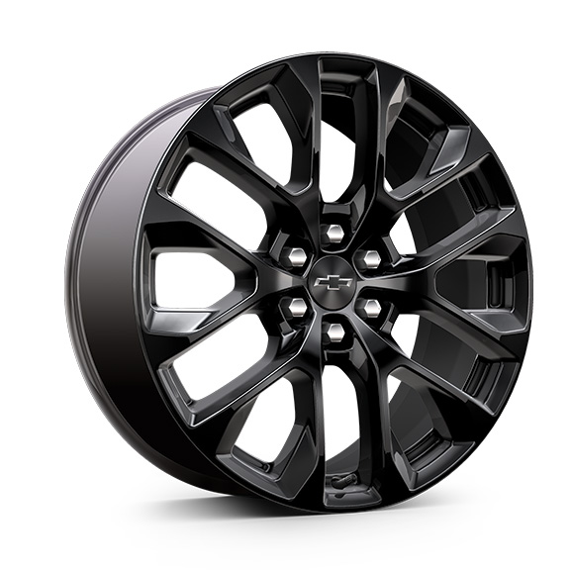 | LPO, 20" (50.8 cm) Gloss Black aluminum wheels, includes (SKT) Chevy Black with Black bowtie outline wheel centre caps, LPO, (SD5) tire pressure monitor, LPO and (SKL) transit wheels 1. Not available with (WJU) Midnight/Sport Edition. Included with (RFP) Black Sport Package, LPO, not available separately when RFP is ordered. | A1 | A1 | --

